PHYSICAL COUNT PROCESS FLOW


PHYSICAL COUNT ACTIVITY PROCESS FLOW

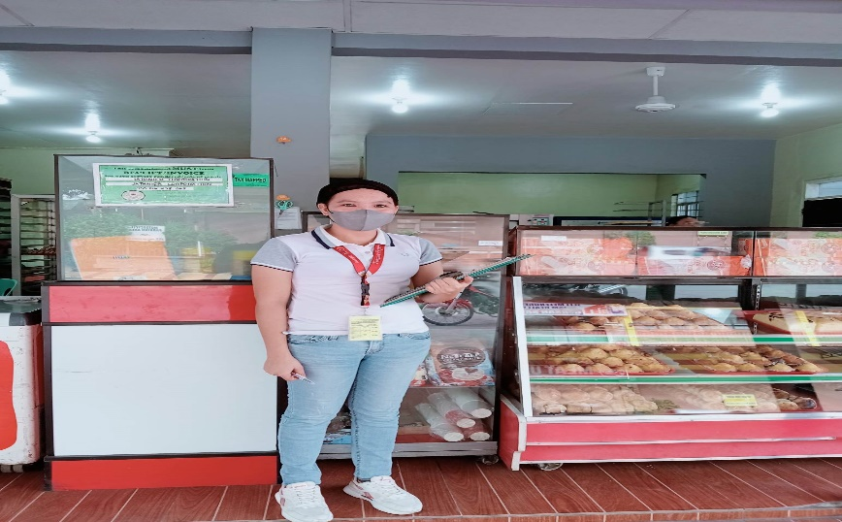 | 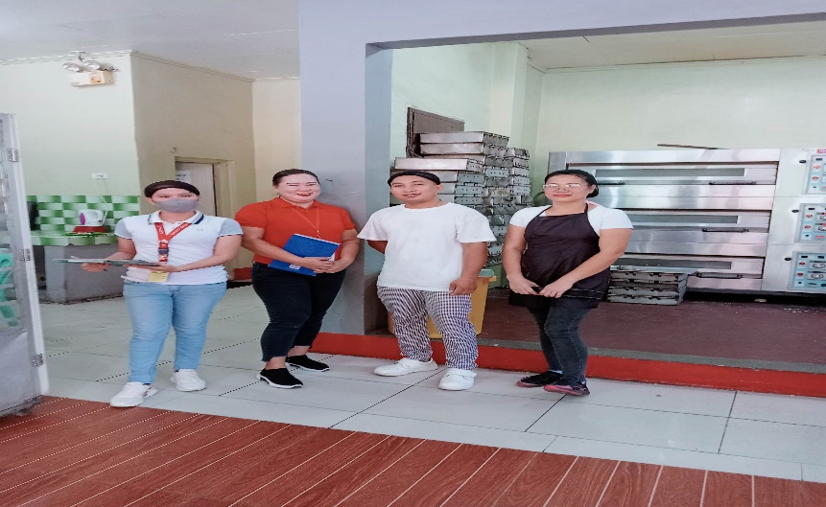 | 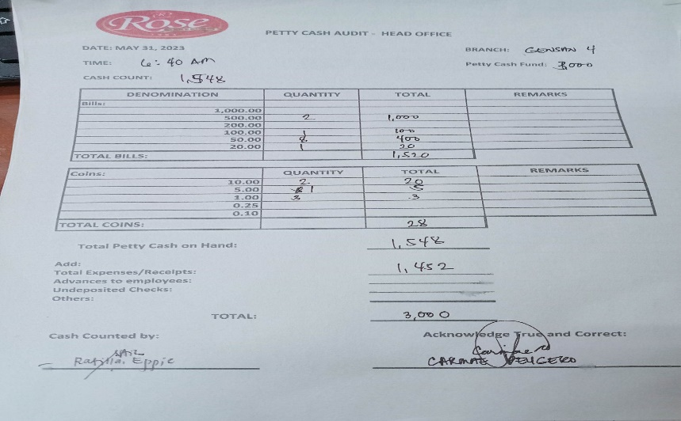




1. THE ANALYST MUST POSSESS PROPER HYGIENE DURING THE PHYSICAL COUNT ACTIVITY.
2. ALL STAFF MUST POSSESS PROPER HYGIENE DURING THE PHYSICAL COUNT ACTIVITY.
3. THE ANALYST WILL ASK THE SUPERVISOR ABOUT THE PETTY CASH AND PAKATI FOR THE CASH VALIDATION.

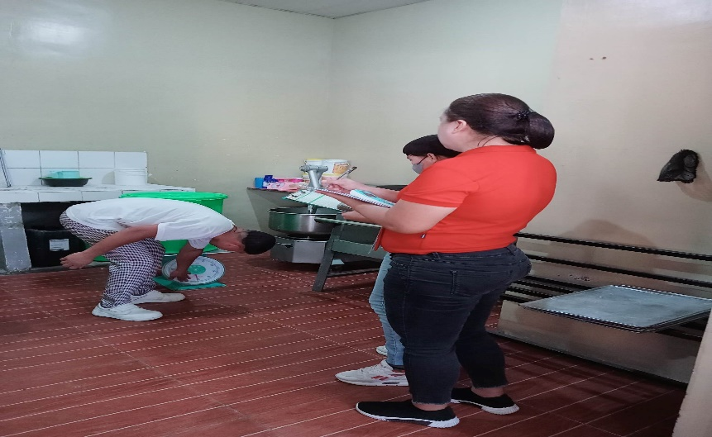 | 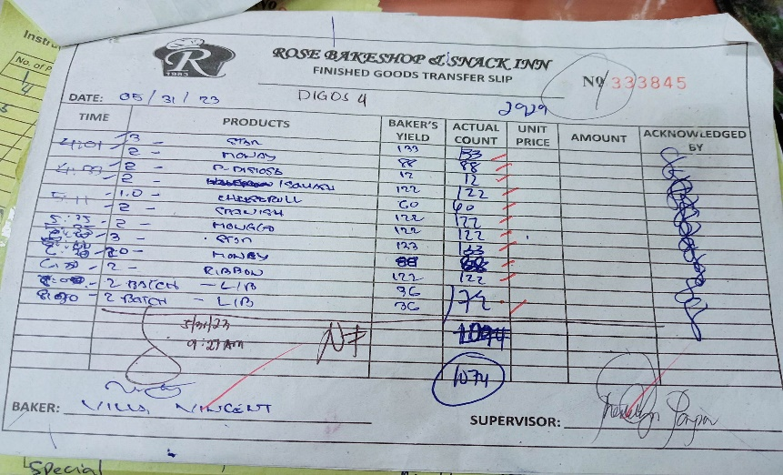 | 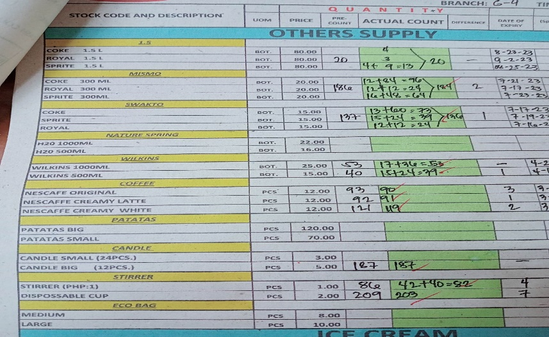




6. THEY CAN NOW START THE ACTUAL PHYSICAL COUNT, BOTH ANALYST AND SUPERVISOR WILL RECORD THE ACTUAL COUNT OF THE RAWMATS OR PACKAGING. THEY MUST PRACTICE SYNCRONIZE WAY LIKE FOR EXAMPLE FROM LEFT TO RIGHT TO AVOID MISCOUNT ITEMS. THEY MUST RECORD THE EXPIRATION DATES AND B.O ITEMS.
5. THE ANALYST WILL CUT OFF THE PRODUCTION OF THE BAKER IN FGTS AND PRODUCTION REPORT (NOTHING FOLLOWS AND SIGNATURE OF THE ANALYST SHOULD BE REFLECTED IN THE FORMS). AS FOR THE FINISH GOODS, THE ANALYST WILL ASK THE CASHIER TO SEPARATE THE CASH ON HAND.
4. THE ANALYST SHOULD ALWAYS ASK FOR THE PRECOUNT BOTH RAWMATS AND FINISH GOODS.

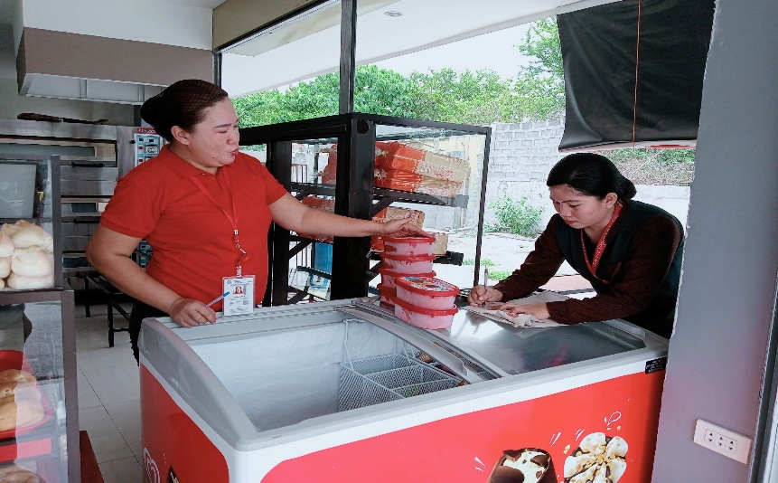 | 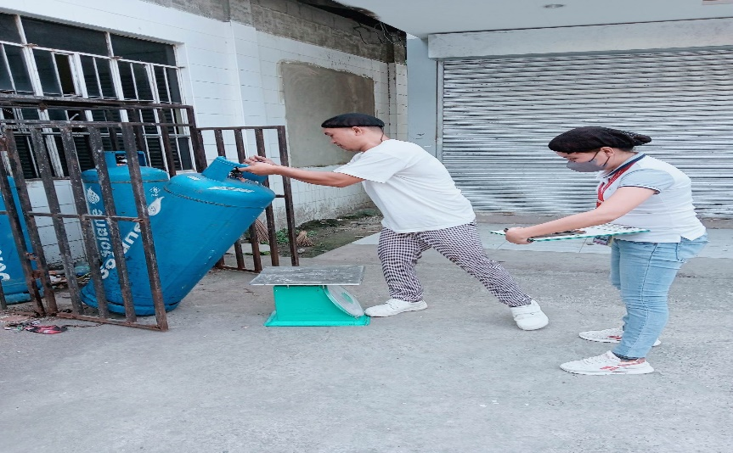 | 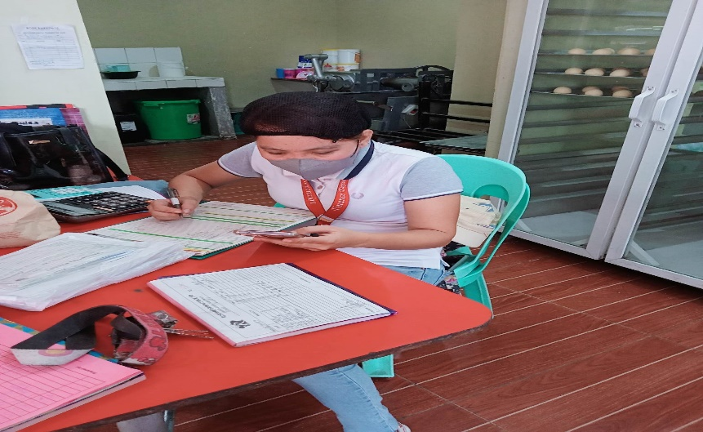




7. AS FOR THE COUNTER AREA, THE ANALYST AND CASHIER WILL COUNT AND RECORD TOGETHER ALL THE ITEMS AVAILABLE FOR SALE AND INDICATES THE EXPIRATION DATES AND B.O ITEMS.
8. THE ANALYST WILL ALSO COUNT THE SOLANE INVENTORY OF THE BRANCH. THEY MUST WEIGH THE EMPTY AND USED TANK. THE FULL TANK WILL AUTOMATICALLY COUNTED AS 50KG. RECORD THE NUMBER OF TANKS AVAILABLE OF THE BRANCH.
9. AFTER ALL ITEMS ARE COUNTED, THE ANALYST WILL RECONCILE HER ACTUAL COUNT WITH THE SUPERVISOR AND CASHIER'S RECORDED ACTUAL COUNT FOR RAWMATS AND FINISH GOODS.

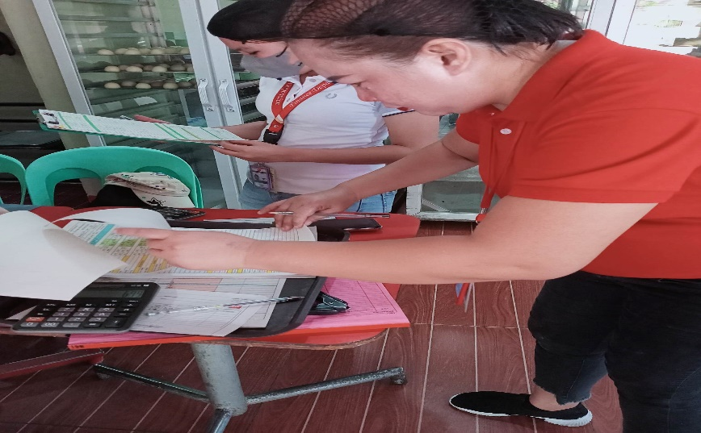 |  | 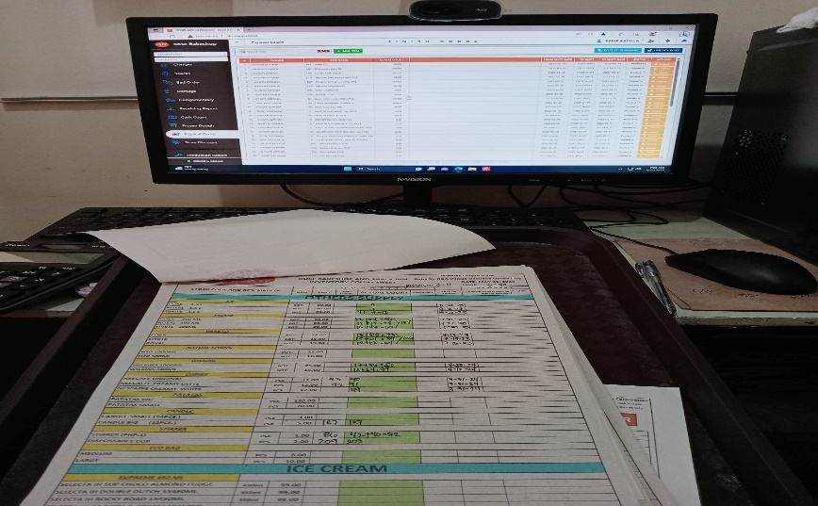




12. LASTLY, THE ANALYST WILL SECURE THAT THE PHYSICAL COUNT FORM WILL BE SIGNED BY THE CONCERNED PERSONNEL LIKE SUPERVISOR, CASHIER , BAKER AND EVEN CLUSTER HEAD IF AVAILABLE FOR THE VALIDITY AND ACCOUNTABILITY OF THE ACTIVITY.
11. IF THE ANALYST WILL FIND OUT QUESTIONABLE DIFFERENCE THEY MUST CONDUCT RECOUNT OF THE ITEMS FOR THE ACCURACY OF THE DATA. THE ANALYST WILL ALSO ASK THE CASHIER FOR THE TOTAL CASH SALES SEPARATED BEFORE THE PHYSICAL COUNT OF FINISH GOODS.
10. THE ANALYST WILL VALIDATE THE PHYSICAL COUNT DATA , SHE SHOULD COMPUTE THE DIFFERENCE BETWEEN ACTUAL COUNT AND PRECOUNT. AS FOR THE FINISH GOODS THE DIFFERENCE WILL SERVE AS THE SOLD ITEMS WHILE FOR THE RAWMATS IT SERVE AS THE USAGE.

